Sheet1
 |  | Document No. | Issue No. | Issue Date |  | Review and Replace Date |  |  |  | Authorised By
 |  | GFF009MC | 6 | 23.09.2018 |  | 05.09.2024 |  |  |  | Magda Shah
 |  | Document Title | GAZEBO DELI Lamb Samosa 1000g
Document amendments reason for change |  | Shelf life reviewed |  |  | Page 1 of 1 |  | Previous Issue Date | 11.07.2023 |  | Uncontrolled copy unless signed original

CLSAC1-B25X1TEB | GAZEBO - DELI |  | 25 LAMB SAMOSA 1000g
STEP 1 |  |  |  |  | STEP 2
 |  |  |  |  | 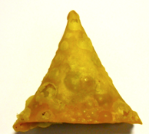

Tray: HW308/60 open ECO tray- (PKLEE001-09) |  |  |  |  | 25 x LAMB SAMOSA 40G (GFF005R): 1000g
Film:K Peel RPSM 25µm (340mmX1000lm) -(PKKMP001-05)
STEP 3
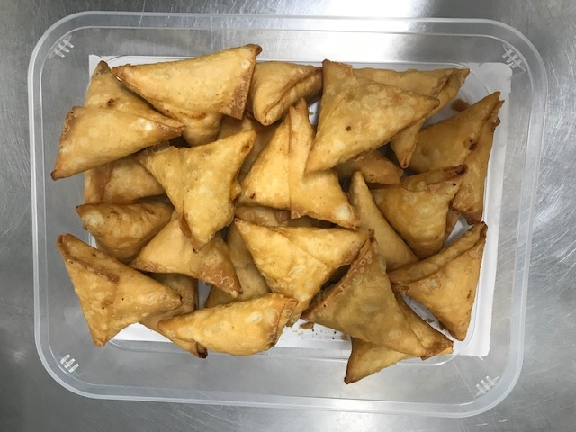 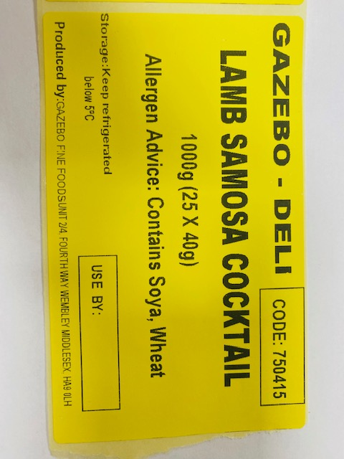

25 units x 40g |  |  |  |  |  |  |  |  | 1000g

ALLERGY ALERT: SOYA, WHEAT

